Requirement
Branch Dashboard

Branch dashboard to discuss New and renewal business number with each branch. This dashboard will be discussed between Corporate team and Individual branch heads.
Individual performance within the branch:
Target FY from Individual target sheet (New, Cross sell and Renewal) Fields to be referred (Column C, E, F and G)
Placed Achievement form Brokerage + Fees sheet (New, Cross sell and Renewal) (Brokerage sheet: Column G, J, M, K, L) (Fees Sheet: B, D, E, F, G)
Invoiced Achievement from Invoice sheet (New, Cross sell and Renewal) Column (B, F, G, J)
Percentage of Achievement for Placed and Invoice – (Achieved/budget)
No of meetings for current year – Meeting sheet (A, C, D)
Open Oppty – Opportunity report (Column: C, E, F, G) (Stage ‘Open’ Column G = Propose Solution & Qualify Opportunity)
Closed Won – Opportunity report (Column: C, E, F, G) (Stage ‘Won’ Column G = Won)
Conversion Ratio (Closed Won/Total Opportunity)
Further drill down to individual level top 10 open oppty and Win

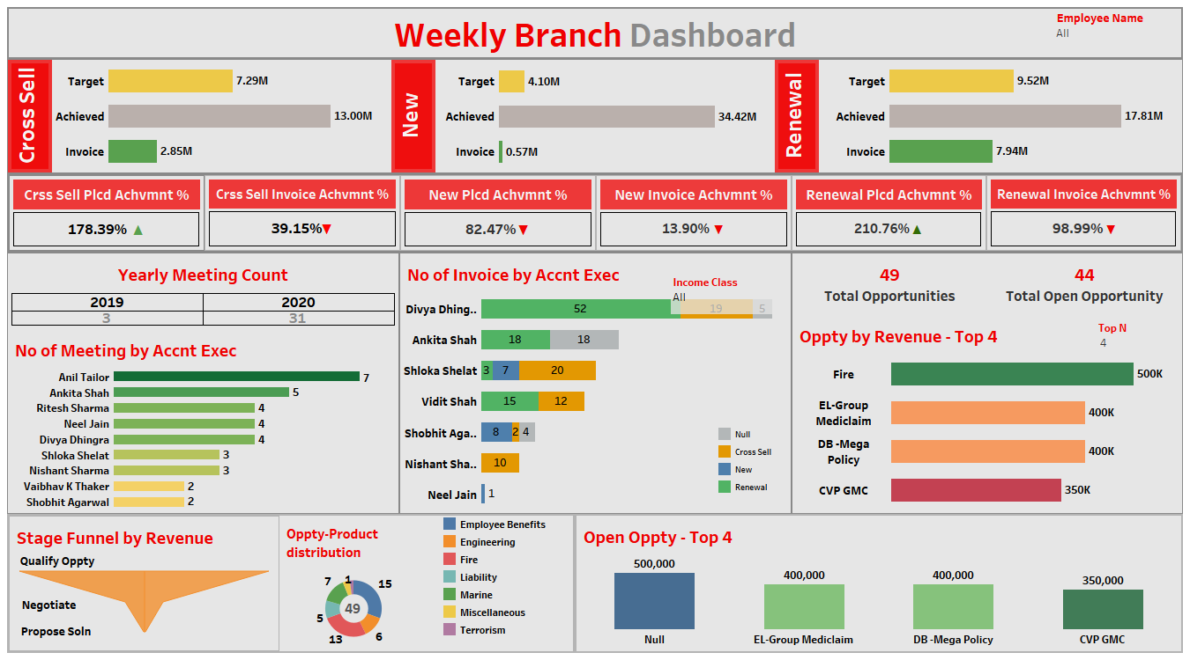
KPI List

1-No of Invoice by Accnt Exec
2-Yearly Meeting Count

3.1Cross Sell--Target,Achive,new
3.1New-Target,Achive,new
3.1Renewal-Target, Achive,new

4. Stage Funnel by Revenue
5. No of meeting By Account Exe
6- Top Open Opportunity

Final Dashboard
Employee Name
All
WEEKLY BRANCH DASHBOARD

CROSS SELL
TARGET | 20083111
ACHIEVED | 13041253.3
INVOICE | 2853842
NEW
TARGET | 19673793
ACHIEVED | 3531629.31
INVOICE | 569815
RENEWAL
TARGET | 12319455
ACHIEVED | 18507270.64
INVOICE | 8244310

Cross Sell Plcd Achvmnt%
Cross Sell Invoice Achvmnt%
New Plcd Achvmnt%
New Invoice Achvmnt%
Renewal Plcd Achvmnt%
Renewal Invoice Achvmnt%

64.94%▼
14.21%▼
17.95%▼
2.90%▼
150.23%▲
66.92%▼

Yearly Meeting Count
 | 2019 | 2020
Ahmedabad | 3 | 31
No Of Invoice by Accnt Executive
 | Cross Sell | New | Renewal | (blank)
Mark | 2
Abhinav Shivam | 10
Neel Jain |  | 1
Animesh Rawat | 20
Shobhit Agarwal |  | 8 |  | 4
Vinay | 19
Shloka Shelat |  | 7 | 3
Gautam Murkunde |  |  | 3 | 1
Vidit Shah | 12 |  | 15
Ankita Shah |  |  | 18 | 18
Divya Dhingra |  |  | 58 | 5
 | Total
CVP GMC | 350000
DB -Mega Policy | 400000
EL-Group Mediclaim | 400000
Fire | 500000

No of Meeting by Accnt Exec
 | Count of meeting_date | Count of Years (meeting_date)
Abhinav Shivam | 7 | 7
Animesh Rawat | 4 | 4
Gilbert | 3 | 3
Ketan Jain | 4 | 4
Manish Sharma | 3 | 3
Mark | 2 | 2
Raju Kumar | 2 | 2
Shivani Sharma | 4 | 4
Vinay | 5 | 5

Oppty-Product distribution
 | Total
Employee Benefits | 15
Engineering | 6
Fire | 13
Liability | 5
Marine | 7
Miscellaneous | 2
Terrorism | 1
Open Oppty - Top 4
 | Total
Fire | 500000
EL-Group Mediclaim | 400000
DB -Mega Policy | 400000
CVP GMC | 350000

Sheet1
Row Labels | Sum of revenue_amount |  | Row Labels | Sum of revenue_amount
CVP GMC | 350000 |  | Fire | 500000 |  |  | Row Labels | Count of meeting_date | Count of Years (meeting_date) | Account Exe ID | (All)
DB -Mega Policy | 400000 |  | EL-Group Mediclaim | 400000 |  |  | Abhinav Shivam | 7 | 7
EL-Group Mediclaim | 400000 |  | DB -Mega Policy | 400000 |  |  | Animesh Rawat | 4 | 4 | Count of Account Exe ID | Column Labels
Fire | 500000 |  | CVP GMC | 350000 |  |  | Gilbert | 3 | 3 | Row Labels | 2019 | 2020 | Grand Total
Grand Total | 1650000 |  | Grand Total | 1650000 |  |  | Ketan Jain | 4 | 4 | Ahmedabad | 3 | 31 | 34 | Count of Account Executive | Column Labels |  |  |  |  | Row Labels | Sum of revenue_amount
 |  |  |  |  | Row Labels | Count of opportunity_name | Manish Sharma | 3 | 3 | Grand Total | 3 | 31 | 34 | Row Labels | Cross Sell | New | Renewal | (blank) | Grand Total | Negotiate | 899000
 |  |  |  |  | Employee Benefits | 15 | Mark | 2 | 2 |  |  |  |  | Mark | 2 |  |  |  | 2 | Propose Solution | 60000
 |  |  |  |  | Engineering | 6 | Raju Kumar | 2 | 2 |  |  |  |  | Abhinav Shivam | 10 |  |  |  | 10 | Qualify Opportunity | 5919500
 |  |  |  |  | Fire | 13 | Shivani Sharma | 4 | 4 |  |  |  |  | Neel Jain |  | 1 |  |  | 1 | Grand Total | 6878500
 |  |  |  |  | Liability | 5 | Vinay | 5 | 5 |  |  |  |  | Animesh Rawat | 20 |  |  |  | 20
 |  |  |  |  | Marine | 7 | Grand Total | 34 | 34 |  |  |  |  | Shobhit Agarwal |  | 8 |  | 4 | 12
 |  |  |  |  | Miscellaneous | 2 |  |  |  |  |  |  |  | Vinay | 19 |  |  |  | 19
 |  |  |  |  | Terrorism | 1 |  |  |  |  |  |  |  | Shloka Shelat |  | 7 | 3 |  | 10
No of Meeting by Accnt Exec
 |  |  |  |  | Grand Total | 49 |  |  |  |  |  |  |  | Gautam Murkunde |  |  | 3 | 1 | 4
 |  |  |  |  |  |  |  |  |  |  |  |  |  | Vidit Shah | 12 |  | 15 |  | 27
Yearly Meeting Count
 |  |  |  |  |  |  |  |  |  |  |  |  |  | Ankita Shah |  |  | 18 | 18 | 36
Oppty-Product distribution
 |  |  |  |  |  |  |  |  |  |  |  |  |  | Divya Dhingra |  |  | 58 | 5 | 63
Open Oppty - Top 4
 |  |  |  |  |  |  |  |  |  |  |  |  |  | Grand Total | 63 | 16 | 97 | 28 | 204
No Of Invoice by Accnt Executive
 | Cross Sell | New | Renewal | (blank)
Mark | 2
Abhinav Shivam | 10
Neel Jain |  | 1
Animesh Rawat | 20
Shobhit Agarwal |  | 8 |  | 4
Vinay | 19
Shloka Shelat |  | 7 | 3
Gautam Murkunde |  |  | 3 | 1
Vidit Shah | 12 |  | 15
Ankita Shah |  |  | 18 | 18
Divya Dhingra |  |  | 58 | 5

Meeting count by Acc Exce
 | Total
Abhinav Shivam | 7
Animesh Rawat | 4
Gilbert | 3
Ketan Jain | 4
Manish Sharma | 3
Mark | 2
Raju Kumar | 2
Shivani Sharma | 4
Vinay | 5

Renewal Calculations

TARGET | 12319455.00
ACHIEVED | 18507270.64
INVOICE | 8244310 | brokerage+fees
PLACED ACH % | 150.23%
INOVICE ACH% | 66.92%

BROKERAGE | 18489219.64
FEES | 18051

Cross Calculations
TARGET | 20083111.00
ACHIEVED | 13041253.3
INVOICE | 2853842
PLACED ACH % | 64.94%
INOVICE ACH% | 14.21%

BROKERAGE | 12644773.3
FEES | 396480

New Calculations
TARGET | 19673793.00
ACHIEVED | 3531629.31
INVOICE | 569815
PLACED ACH % | 17.95%
INOVICE ACH% | 2.90%

BROKERAGE | 3431629.31
FEES | 100000

